Area Agency on Aging Map
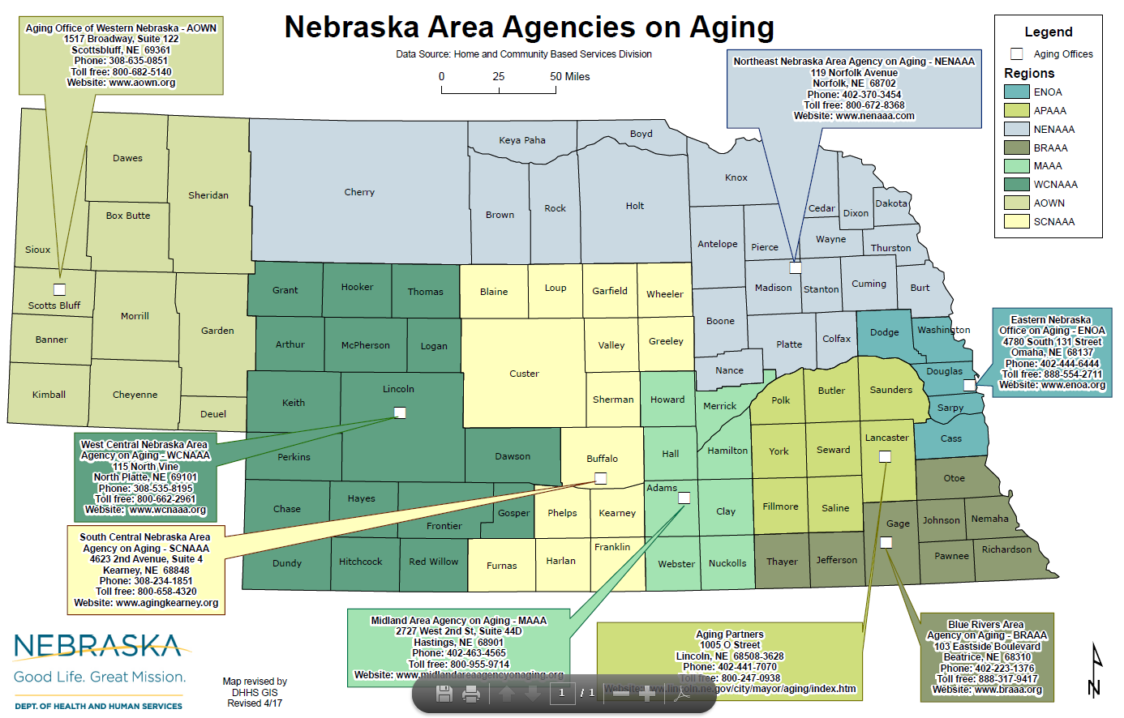
The Aging Network in Nebraska is lead by the State Unit on Aging supporting eight Area Agencies on Aging with close to 200 senior centers statewide. This directory includes Senior Center addresses, counties and the services that are provided.

How to use this directory
Senior Center Directory Instructions

Follow the steps on the right to sort the list to find the center you need.
In the example, we sort by County but you can follow the same steps to sort by any other column.

1. Click on the Senior Centers Tab below

2. Find the next to the column you want and click on it to see the dropdown menu.

3. On this dropdown menu, you can search two ways. You can type the county name in the "Search" box or select your county from a list.

Search by County |  |  | Select from a list
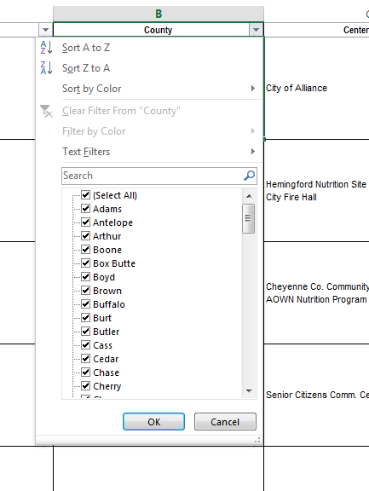

Enter your county into the "Search" box and click on the |  | Click on the checkmark next to "Select All"
magnifying glass.

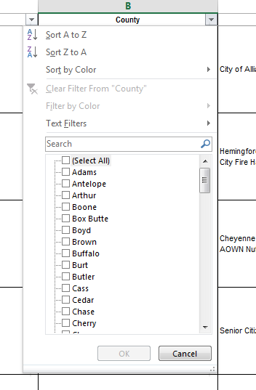
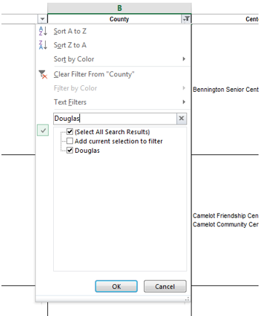

Click OK and all of the Senior Centers in that county will be listed. |  | Scroll downward and select the box next to your county and click OK. All of the Senior Centers in that county will be listed.

 | Use the scroll bar at right to view other columns.

